
 |  |  |  | CODE: |  |  | pl1241 ab SN from 99A20
DESCRIPTION: |  | HEAD 71: FLAP and BOX |  | KOPF 71 | TETE 71 | CABEZA 71 | TEST. 71:FLAP E CASSETTO
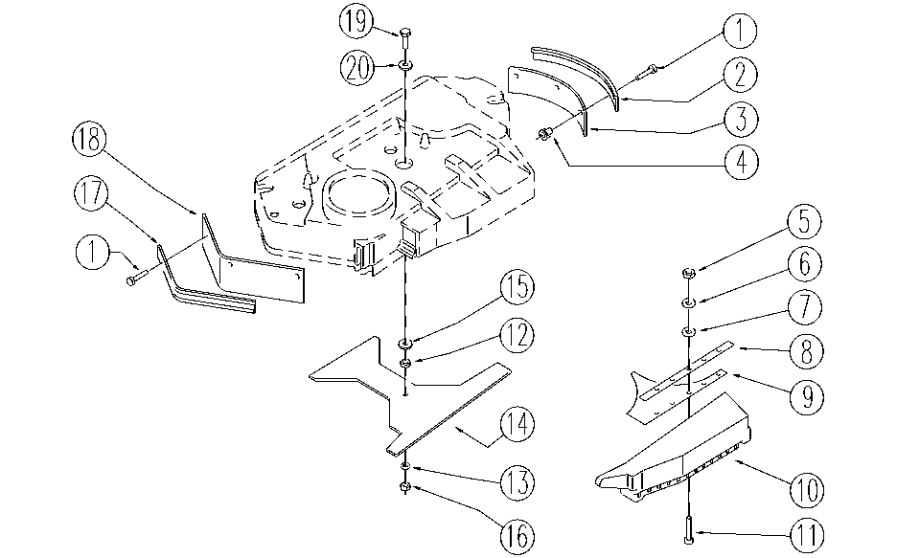

REF. | CODE | DESCRIPTION | QT
1 | E86903 | AS30/36 Screw M.4-16 | 9
2 | E86730 | Flap Fixer | 1
3 | E86677 | AS28 Right Flap Splash Guard | 1
4 | E86904 | AS30/36 Nut M.4-Zinc Blk w/Pts | 16
5 | E86735 | Nut | 4
6 | E86769 | Washer | 4
7 | E86768 | Washer | 4
8 | E89418 | Lamination Strip | 1
9 | E86886 | Dust Pan for AS28 | 1
10 | E86885 | Dust Collector for AS28 | 1
11 | SL04364 | SCREW | 4
12 | E86875 | Self-Locking Nut | 3
13 | E86427 | Washer for AS20 | 10
14 | SL09623 | GUARD | 1
15 | E86704 | Washer D 6-18 | 4
16 | E86738 | Nut M6 w/ Nylon Ring | 1
17 | E86736 | Flap Press | 1
18 | E86614 | Left Flap AS28 | 1
19 | E86668 | AS28 Screw | 1
20 | E86758 | Washer | 1

